Pivot Table 1
 | mode | Values
 | 0 |  | 1 |  | Grand Total
key | SUM of Profits | COUNTUNIQUE of Title | SUM of Profits | COUNTUNIQUE of Title | SUM of Profits | COUNTUNIQUE of Title | key | Average Song profit for each key in minor | Average Song profit for each key in major
0 | $14,150,940.75 | 61 | $27,452,271.08 | 149 | $41,603,211.83 | 210 | 0 | $231,982.64 | $184,243.43
1 | $24,275,117.48 | 75 | $36,570,885.78 | 196 | $60,846,003.26 | 271 | 1 | $323,668.23 | $186,586.15
2 | $5,766,910.29 | 29 | $31,072,850.76 | 145 | $36,839,761.06 | 174 | 2 | $198,858.98 | $214,295.52
3 | $2,459,672.83 | 22 | $4,886,412.08 | 34 | $7,346,084.91 | 56 | 3 | $111,803.31 | $143,718.00
4 | $18,952,558.01 | 70 | $11,390,784.93 | 55 | $30,343,342.94 | 125 | 4 | $270,750.83 | $207,105.18
5 | $18,841,787.95 | 86 | $10,075,556.16 | 73 | $28,917,344.11 | 159 | 5 | $219,090.56 | $138,021.32
6 | $17,094,337.50 | 85 | $12,936,540.53 | 61 | $30,030,878.03 | 146 | 6 | $201,109.85 | $212,074.44
7 | $11,257,493.04 | 57 | $32,294,693.30 | 151 | $43,552,186.34 | 208 | 7 | $197,499.88 | $213,872.14
8 | $15,834,208.18 | 51 | $24,230,283.72 | 107 | $40,064,491.91 | 158 | 8 | $310,474.67 | $226,451.25
9 | $8,842,170.82 | 71 | $17,489,579.33 | 101 | $26,331,750.16 | 172 | 9 | $124,537.62 | $173,164.15
10 | $19,184,654.69 | 87 | $10,483,205.50 | 66 | $29,667,860.19 | 153 | 10 | $220,513.27 | $158,836.45
11 | $18,871,119.15 | 96 | $15,616,745.72 | 74 | $34,487,864.86 | 170 | 11 | $196,574.16 | $211,037.10
Grand Total | $175,530,970.70 | 790 | $234,499,808.90 | 1212 | $410,030,779.60 | 2001

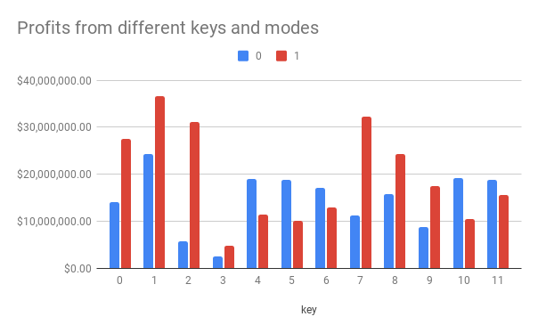

 |  | Count of songs published by month | Average song profits
 |  | 360 | $136,860.61
 |  | 168 | $130,647.18
 |  | 206 | $208,626.90
 |  | 196 | $162,881.45
 |  | 262 | $162,267.46
 |  | 117 | $333,560.73
 |  | 76 | $277,375.56
 |  | 131 | $299,226.20
 |  | 112 | $173,478.69
 |  | 117 | $338,674.23
 |  | 158 | $251,416.30
 |  | 99 | $235,476.80

SUM of Profits vs. Month
Average song profits vs. Month

 |  |  | Average Profits per Day |  | WeekDay | SUM of Profits | COUNT of WeekDay | Average Profits per Day
 |  |  | #DIV/0! |  | Mon | $17,234,816.57 | 138 | $124,889.98
 |  |  | $157,257.15 |  | Tues | $32,394,972.19 | 206 | $157,257.15
 |  |  | $129,640.29 |  | Wed | $16,205,036.12 | 125 | $129,640.29
 |  |  | $298,704.91 |  | Thurs | $53,766,883.66 | 180 | $298,704.91
 |  |  | $224,580.81 |  | Fri | $270,395,297.17 | 1204 | $224,580.81
 |  |  | $125,806.22 |  | Sat | $8,932,241.79 | 71 | $125,806.22
 |  |  | $142,327.33 |  | Sun | $11,101,532.09 | 78 | $142,327.33

SUM of Profits vs. WeekDay
 |  |  |  |  |  | WeekDay | Average Profits per Day
 |  |  |  |  |  | Mon | $124,889.98
 |  |  |  |  |  | Tues | $157,257.15
 |  |  |  |  |  | Wed | $129,640.29
 |  |  |  |  |  | Thurs | $298,704.91
 |  |  |  |  |  | Fri | $224,580.81
 |  |  |  |  |  | Sat | $125,806.22
 |  |  |  |  |  | Sun | $142,327.33

Average Profits per Day vs. WeekDay

Pivot Table 2
Count of songs published by month | Average song profits
360 | $136,860.61
168 | $130,647.18
206 | $208,626.90
196 | $162,881.45
262 | $162,267.46
117 | $333,560.73
76 | $277,375.56
131 | $299,226.20
112 | $173,478.69
117 | $338,674.23
158 | $251,416.30
99 | $235,476.80

SUM of Profits vs. Month
Average song profits vs. Month

Pivot Table 3
Average Profits per Day
#DIV/0!
$157,257.15
$129,640.29
$298,704.91
$224,580.81
$125,806.22
$142,327.33

SUM of Profits vs. WeekDay
Average Profits per Day vs. WeekDay

